Cloud traning
S.NO | DATE | TOPIC | UNDERSTANDING

1) | 19/8/2022 | What is internet? | Internet is a connection of two medium
2) | 19/8/2022 | How does internet works? | If we send a photo from one email to other email
 |  |  | 1-The photo can be divided into smaller bits and covered in an envelop called as header
 |  |  | 2- Header consists of some information like who sends the packets.
 |  |  | 3- 8 bits is 1 byte.1.1 mega byte is 8 million 8 hundred thousan ones and zeroes
 |  |  | 4- binary digits are carried by radio waves through router and router conver into these waves into electric pluse or laser light
 |  |  | 5-These singals are carried to nearest hub or station to get the information or send the information
 |  |  | 6- Fibre cables are made up of glass or plastics that used to carry the light faster
 |  |  | 7- Every information are stored in data centre are in different places
 |  |  | 8 - ISP - internet service provider and other big compayes is for responsiable , so they charges us.
 |  |  | 9- starlink are used sub station to send radio waves to satellite and then sends back to the people who needs information.It reduse fibre optic cables but the sub station are connected with Fibre cable

3) | 19/8/2022 | What is IP? | IP address is a unique address for devices
 |  |  | Every device uses internet protocol for communication (Set of rules)
 |  |  | There are two IP, Dynamic and static
 |  |  | Dynamic ip address are changing constantly, ISP provider gives us different IP address for in specific range.It helps the device to get the specfic Static ip address
 |  |  | Static ip adrress never change. It connects with the dns server. It is private IP address

4) | 19/8/2022 | What is DNS? | DNS is domain name server.It contains an individula website static address (EX:Youtube.com(dns)-192.33.432.322(Static IP)
 |  |  | The isp provider gives randaom ip to get the specific ip address beacuse if we give all webiste a specific ip we are out of staic ip
 |  |  | DNS hub - the sender gets easily the reslut from nearest hub.
 |  |  | Squence- The sender gets result in spilts pactkets or squence manner, each squence uses differnt route to reach the nearest hub.

5) | 19/8/2022 | TCP | Transmission control protocol eg walkitakie, one to one communciation without no loss of data
6) | 19/8/2022 | UPD | User Datagram Protocol eg radio braodcaasting, youtube live, Can be accessed by many user at a time. They can be do the same thing but TCP is slow but information can be delay() | delay(gpay)

7) | 19/8/2022 | Componets of computer? | 1- PROCESSOR OR CPU -The brain of the computer, controls the each and every funtion of the system
 |  |  | 2-MEMORY- RAM- .when the computer is rebooted, and when you open a program, the operating system (OS), and the program are loaded into RAM, generally from an HDD or SSD. CPU utilizes this data to perform the required tasks. As soon as you shut down the computer, the RAM loses the data. So, the data remains in the RAM as long as the computer is on and lost when the computer is turned off. The benefit of loading data into RAM is that reading data from the RAM is much faster than reading from the hard drive.
 |  |  | 3-STORAGE-ROM-Storge the data

8) | 22/8/2022 | What is server? | Server is nothing but an big computer.It is centralized computer to serve the data to clients.It combines of hardware and software.

9) | 22/8/2022 | What is server processor? | A main components of server where all the tasks are performed.A normal processor performs 1.5 gz speed,when we increase the clock speed it generate heat.So server contains multiple processor combained in single motherboard for better performance.

10) | 22/8/2022 | What is RAM? | It is a hardware component to store temporary memory.OS need some certain amount of memory installed just for boot up.

11) | 22/8/2022 | Storage vs Memory? | RAM and ROM are both measured in GB.But they do very differnet things.RAM will erase memory when you turn off the computer.

12) | 22/8/2022 | Types of Server | -Web server
 |  |  | -Email server
 |  |  | -Database Server

13) | 22/8/2022 | HTTP vs HTTPS? | HTTP - It send and recieves as a plain text.The data are not encrypted. HTTPS- It promtes security and data are encrypted.load time may be slow because it encryptes the data takes time.

14) | 22/8/2022 | LAN VS WAN VS MAN | PAN-Personal area network.Connected by infrared,blutooth,NFC and USB cable. LAN-Local Area network. 2 or more computers connected in a network through wired medium.eg:Ethernet cable WAN-Wireless Area Network. Connected without wired medium. CAN-Campus Area Network.2 or more LAN's Network. MAN-Metropolitan Area Network. Larger than CAN.Connectd through optic fibre.It covers a entire large city.

15) | 22/8/22 | What is private IP and public IP? | Private Ip - The router or ISP assigns each device a unique private IP address.Each device on a network has a private IP address and the router has public IP address to communicate with the rest of the internet. Private IP address canot connect to the INternet.Not publicaly registered. It ranges, a-10.0.0.0 to 10.255.255.255 b-172.16.0.0 to 172.31.255.255 c-192.168.0.0 to 192.168.255.255 Public IP - Public IP address are provided by ISP.The address assigned to the router.Othe device can communicate with tour device with piblic IP address.

16) | 22/8/22 | What is NAT? | •Network Address Translation.The private IP address can be translated into Public Address. •Also Public address can be translated into private Ip. •In future the IP6 address do not need translation.

17) | 22/8/22 | What is DMZ? | •Demilitarized Zone. •Extra layer for security.Also know as Perimeter network. •Added extra firewall for Security

18) | 22/8/22 | What is Cloud Computing? | Everything can be provided as services by amazon and micrsoft.We can access through the firewall and modify the changes according to our needs. Cloud computing is the delivery of different services through the Internet. These resources include tools and applications like data storage, servers, databases, networking, and software.
19) | 22/8/22 | What is Delivery Model? | SASS-Software as a Service.Allows users to connect and use cloud based apps.Eg.Email,office tools.(Bus) PASS-Platform as a Service.Complete devlopment and deployment.Eg:aws,heroc,Azure(Taxi) IASS-Infrastructure as a service.Supports infrastructure to support web pages, including storage and servers.EG;AWS EC2 (Leased car)

S.NO | DATE | TOPIC | UNDERSTANDING

1 | 2022-08-22 | What is IP address? | IP address is a unique address. It identifies a device on the internet. Provided by ISP associate with TCP/IP Protocol.
2 |  | Types of Ip address? | IPv4 - It's 32 bit address written in four numbers seperated by dot. ex:66.94.29.13 The computer can only understand binary form. Then the conversion takes place for each number in an 8 bit Octet.(REFERENCE:https://www.javatpoint.com/ipv4-vs-ipv6) IPv6 -The hexadecimal address contains both numbers and alphabets. Due to the usage of both numbers and alphabates,IPv6 produce 340 undecillion address
3 |  | What is mac address? | It's a unique hardware identifer address. Assign by manufacture.Also called as burned-in address. There are 2 0r 3 mac address provided (eg:Bluetooth,Ethernet,wifi -These components have differnt MAC address)
4 |  | What Is NIC? | Network Interface Card. It works on the physical layer and the data-link layer. Collects data and transmission to channel. Acts as a middleman between computer and network. Network canot be done with this card.(REF:https://www.thestudygenius.com/what-is-nic-network-interface-card/)
5 |  | What is ARP? | Address Resolution Protocol. Works between layer 2 and 3 on LAN only. It maps IP address and mac address.
6 |  | How ARP Works? | Each device has own ARP table. it containes Mac & IP address on this table. If new device connected in LAN, the sender wants to send request via ARP Broadcast through routers and finds the reciver and exchange the mac address and store in ARP table in each devices. (REF:https://www.fortinet.com/resources/cyberglossary/what-is-arp)
7 |  | What are Network devices? | Hardware devices that link computers,mobiles etc.. connect to the network.Each device has the their own Mac address and NIC or RJ45. Data stored in our devices are digital signal, while fibre cable can transmit only onalog siganl. Digital signal are coverted by modulator and demodulator. NIC plays an imporatnt role.It connects the two networks via wired or wireless.
8 |  | Types of Network devices? | HUB -Connect all network physically.The data can be copyed to all ports and send to the other devices. CONS: 1-Security issues 2-Data traffic may be happen. SWITCH -It is more clevere than Hub.It can take the mac address and send the data to specific mac address.It does not send the data to other networks connected to LAN.It also filter the data. Both switch and hub performs in LAN network only.It does not require Ip address to connect the devices because it takes Localy. ROUTER - It helps to connect with the network or internet.Gateway of network.Uses IP address toroute the data Private network or router only allows the required information, and passes through the switch or hub and passes through the required devices. All router will helps to send the data all over the world, which can be nearest way to commuicate.Other data can't be send through the private network. HUB and Switches are create network,Router or used to connect network.
9 |  | What is OSI Layer? | The open system Interconnection model describes seven layers that computer system uses to communicate over a network.
 |  |  | The physical layer helps you to define the electrical and physical specifications of the data connection.
 |  |  | Data Link Layer:
 |  |  | It corrects errors which can occur at the physical layer. The layer allows you to define the protocol to establish and terminates a connection between two connected network devices.
 |  |  | Transport Layer:
 |  |  | The transport layer builds on the network layer to provide data transport from a process on a source machine to a process on a destination machine.
 |  |  | Network Layer:
 |  |  | The network layer provides the functional and procedural means of transferring variable length data sequences from one node to another connected in “different networks”.
 |  |  | Session Layer:
 |  |  | Session Layer controls the dialogues between computers. It helps you to establish starting and terminating the connections between the local and remote application.
 |  |  | Presentation Layer:
 |  |  | Presentation layer allows you to define the form in which the data is to exchange between the two communicating entities
 |  |  | Application Layer:
 |  |  | Application layer interacts with an application program, which is the highest level of OSI model. The application layer is the OSI layer

S.NO | DATE | TOPIC | UNDERSTANDING

1 | 2022-08-24 | What is firewall? | Provides security to the organization or provide security from unauthorized activities. Set of rules can be follwed called Access control list(ACL). Two types of firewall.1)Host firewall 2)Network firewall

2 | 2022-08-24 | What is VPN? | It encryptes the connection over the internet. Provided by firewall. Traffic is encrypted between the device and the network,traffic remains private.
3 | 2022-08-24 | What is Encryption? | Information is converted into secret code that hides true information. Encrypting and decrypting is called cryptography.
4 | 2022-08-24 | What is SSL AND TLS? | A website that has HTTPS it has encrypted by SSL/TLS Secure Socket Layer-Encryptes the data transmit across the web. Authentication p rocess called handshake. Transport Layer Security- The next version of the SSL is TLS. The last version of SSL is 3.0

5 | 2022-08-24 | What is Proxy? | Acts as a Intermediate between user and server. Hide our IP and provides new IP to the server. Server does not know about user IP address,but proxy company have users ip address. Ensures speed, saves website catch and stores in a proxy server.
6 | 2022-08-24 | What is virtualization? | Spilting and sharing of hardware resources. Multiple OS can be run in an one physical Server.
7 | 2022-08-24 | What is Hypervisor? | It's a software that creates and runs VM. It divides the physical server, and create VM according to needs Helps to use server's full resources. EG: Vmare is a hypervisor to use multiple os in single PC.
8 | 2022-08-24 | Types of Hypervisor? | Type-1-(Bare Metal) -- The host OS was built above the hypervisor.If the OS loss it all correpts Type-2(Hosted)--The OS was integrated with the hypervisor. If it correpts the entire VM cann be affected. •It all built with the Linux kernel
9 | 2022-08-24 | What is Contaniers? | Its a lightweight software pacakage. It has an container engine and host operating system The container has only one OS and all other contaniers creating by Hypervisor has must run on same OS.

S.NO | DATE | TOPIC | UNDERSTANDING
1 | 2022-08-25 | What is Application architecture? | Describes patterns and technique used to build and design an application.
2 | 2022-08-25 | Main components of application architecture? | 1)Presentation layer (Front-end) 2)Application layer (Back- end) 3)Database
3 | 2022-08-25 | What is single tire architecture? | Putting all the three components in a single server. PROS: Fast for single user CONS: Completely unscalable,one user can acces faster
4 | 2022-08-25 | What is Tow Tier Architecture? | Either presentation and application layer or application layer and database stored in a seperate server. PROS: This sepration makes easy for understanding errors or updating newer version CONS: Multiple request canot be handled.
5 | 2022-08-25 | What is three tier architecture? | It can seprate each componet into seperate server. PROS : faster development,improved security.
6 | 2022-08-25 | What is N -tier architecture? | Layers that can be seperated more than a 3 tier architecture. It has seprate layer inbetween like indexing layer & and catching layer Indexing layer- arranges the frequently asked data in a database. Catching Layer- Catches and stores the information from the database stores in the catching layer
7 | 2022-08-25 | What is API? | Application Program Interface. serving a piece of service to the software. Integrating the service.
8 | 2022-08-25 | What is Microservices architecture? | The three componets or layers can be spilted into multiple services. It helps more faster and easy to check the error. The all spilted services can be connected using API.
9 | 2022-08-25 | What is subnet? | Divides the network
10 | 2022-08-25 | What is subnet mask? | Every IP address has a two parts.1)Network address 2)Host address Network address-Unique number assigend to network. Host address- Assigned to each host connected to the network. Subnet Mask- Helps to identify which part of the IP address is host & network. How many address are assigned for host and network address. It uses 32 bit number created along with the IP address are assigned Eg: 255.255.255.0 is subnet mask 255-all are ones. Subnet Generated: 8 bit octet chart to covert ip address and subnet address into binary form. 1- portion is network address,0- is host address

S.NO | DATE | TOPIC | UNDERSTANDING
1 | 2022-08-26 | What is OS? | •Operating System. • Interface between a user and hardware. • Allows to communicate with hardware. •Manages computer hardware and other resources. •Conversion of human laguage to machine and machine to human language.
2 | 2022-08-26 | Types of OS? | •OPEN SOOURCE: Source code is free.We can modify code(eg:Liux,VLC media player) •FREE WARE: Source code is not available. Any application(eg; Whatsapp) •FREEMIUM: Pay for special features(eg; Spotify)
3 | 2022-08-26 | Architecture of Windows OS? | It consists of 4 layers, 1)Application layer 2)System service layer 3)OS Layer 4)Hardware abstruction layer
4 | 2022-08-26 | Hardware abstraction layer? | It consists of , •BOOTLOADER: Test the CPU,RAM,Storage are ready to function. •BOARD SUPPORT PACKAGE: Intitiate the CPU, RAM , storage, Function. •DEVICE DRIVERS:Piece of software that commands
5 | 2022-08-26 | Firmware? | Integrates software closely with hardware.
6 | 2022-08-26 | What is System service layer? | • In small level devices,it ensure protection and security. •It deals with, Generic os services, Multimedia and graphics services,User interface •It also deals with, File system and GUI,Task management.
7 | 2022-08-26 | What is file system help? | •Process and manages the data in hard disk. •Way of storing the data.
8 | 2022-08-26 | What is BIOS? | •Located in Mother board •All electric device has bios. •For performing basic Input/ output system. •The permant chip contains permanet software(Firmware). •It runs the before os. •These are non voltaile-even the power off contents are retained.
9 | 2022-08-26 | What does BIOS do? | •Intiate the computer's hardware. •Then searches for boot device. •First it test POST(Power on self test) • Nothing but all hardware are working properly.
10 | 2022-08-26 | What is CMON's? | •The computer needs some default settings like date&time, hardware settings,OS settings. •These custom settings are stored in CMON'S. •The CMON's will run 24/7 in a computer with the help os CMON's battery.
11 | 2022-08-26 | Architecture of Linux-OS? | It consits's of, 1) KERNAL : •Core componet of the OS, directly interacts with hardware. •Provides low level service to upper layer components. 2) SHELL: Interfece to kernal.Takes commands from the user and executes Kernel's funtion 3)UTILITIES :•Provide most of the functionality to user. •1)System demon-Utilities that need to start the services,check the service constantly. • 2)Libraties- Predefined task are written in libraries.
12 | 2022-08-26 | How Bootloader Works in linux? | •It starts the Master boot record(MBR) storage device. •Then GRUB is a tool booting and loading OS Kernels. •Then kernal exceutes System utilities. •System utilities are stored in s/bin folder. •And the System will bootup.

S.NO | DATE | TOPIC | UNDERSTANDING
1 | 2022-08-29 | What is DNS? | •Domain Name Server •It contains an individula website static address (EX:Youtube.com(dns)-192.33.432.322(Static IP) •The isp provider gives randaom ip to get the specific ip address beacuse if we give all webiste a specific ip we are out of staic ip •DNS hub - the sender gets easily the reslut from nearest hub. •Squence- The sender gets result in spilts pactkets or squence manner, each squence uses differnt route to reach the nearest hub.
2 | 2022-08-29 | How DNS works? | •If the user wants to search something,it will first see local cache •If it is not there,It will look in ISP cache •Then it will redirect to DNS server, it provide IP address of Root server to ISP. •The ISP looks for Root server and Root server provide IP for TLD. •TLD - Top level Domain, it gives of ADS to ISP. •ADS- Authorized Domain Server- consists of all authorized domain and ip addresses.
3 | 2022-08-29 | What is DHCP? | •Dyanmic Host Configuration Protocol. •Provides an IP address for a private network •It only works on an LAN network, does not connect to the Internet. •Same Ip address will be assign in private network, of different LAN network. •It follows the process of DORA. •Discover Offer Request Acknowledge •We can give permant IP to printer or fixed. •The IP can Change dyanmicaly.
4 | 2022-08-29 | What is FTP? | •File Transfer Protocol. •Transfering the file over the internet. •Use TCP/ IP to communicate server •It Not a Secure way of transfering file.
5 | 2022-08-29 | How FTP Work? | •To transfer files between computer using FTP, There are two methods. •WEB BROWSER - We use our own browser to communicte the server. •FTP CLIENT - Its a kind of software which uses some GUI for better experience.
6 | 2022-08-29 | What is SFTP ? | •Secure File Transfer Protocol. •It provides a secure shell encryption to provide high level of security.
7 | 2022-08-29 | What is TFTP? | •Trivial Files Transfer Protocol •It only share within the network. •It does not share over within the network.
8 | 2022-08-29 | Directory Structure in LINUX | •It is a way of organization of files and a folders
9 | 2022-08-29 | Linux Directory | • /Root - It contains all folders in the drive or folder. •/bin- It contains Binary executable file. •/boot - Contains Boot files •/dev - Contains Device files. •/etc - System configuration files are located. •/home - directory of a particular user or multiple user •/lib - Contains all helpful libraires, used by an application, command , process for execution.Kernal related files •/sbin - Utilities used for system administration. •/mount - used to mount the files from external device. •/media- Consists of sub directories of external device. •/opt - Add on pacakage of download applications. •/sru - Services for an application that are used. •/tmp - Temporary files are stored.It can be acced by many user. •/usr - It is for particular user or multipleuser. •/var - Files have an unexpected size and content is changed continously are stored in in this folder •/proc - contains information of process currently running.
11 | 2022-08-29 | Binary Exceutable Files? | •Binary executable file is a file in a machine language for a specific processor. •These instructions are executed directly by processor
12 | 2022-08-29 | Absolute path vs Relative Path | •absolute path is a complete path from start of actual file system from / directory. •Relative path is defined as the path related to the present working directly(pwd).
13 | 2022-08-29 | Login process in linux? | •The bootloader intiate to the rc.local folder •It gets the login terminal, when we enter the username and password. •It goes to the etc/password, wheather check the password are correct or not. •If it corrects, it will get the all the required utilities of the specific user.
14 | 2022-08-29 | What is SKEL? | •Allows a system adminstration to create a default home directory. •Contains basic structure of home directory.

S.NO | DATE | TOPIC | UNDERSTANDING

 | 2022-08-30 | Linux Commands | LS-It lists the contents in the folder CD-This command helps to change the directry / -is used to switch the entire directory PWD-It indicates the present working directory. TOUCH-It isused to create a new file MKDIR -It is used to create new folder or directory VI -This command used to create and modify files This saves the changes that we made in that files" WQ -This command used to save the changes and quite the file q! - means do not save the changes and quit." CP-Copying files and directories. MV-Move files and Directories. RM-Remove files and directories MAN-Man--cd helps to show the manual page. HELP-Show the list of commands, which give the list
 | 2022-08-30 | File Commands | MKDIR FOLDER 1-First we create 2 directories folder1 and folder2 TOUCH F1 -We create 3 files in the folder 1 VI F1-We give some data in F1 file and save the changes CP FI F2-Then we copy the data from F1 to F2 MV F2 F3 -we move the data from F2 to F3 HEAD FI -It shows the head contents of the file TAIL F1-It shows the bottom content of the file RM -F F3 -Removes the file F3 entirely RM -RF FOLDER2 -Removes the folder2 entirely CP -R FOLDER 1 FOLDER3 -Copying the directory from one source to another directory

S.NO | DATE | TOPIC | UNDERSTANDING
1 | 2022-09-01 | Permission Commands In linux | •First we login as a root user •Then we add a user called ram •Then we can go to the directory etc/sudoers.d •There we want to create new file called sudoers •In that file we want to write some permission commands •Cmds - "username ALL=(ALL) NOPASSWD:ALL" •Then we want to save it , Now the user has full root access.
2 | 2022-09-01 | Permission Commands by wheel group | •First we login as a root user •Then we add a user called Ravi •Then we want to add the user in wheel group •Then we use commands "USERMOD -aG Wheel ravi" •Then the user has full access.
3 | 2022-09-01 | Why we give root access to user? | •There only 3 condition, we want to give root access to user •User Adminstration - to add or remove specific users •File Manpulation - To access or remove a specific file read and write operation. •Pacakage Manpulation - To install the specific pacakages while required
4 | 2022-09-01 | What is sudoers? | •It is a file which allows a user to allocates the system rights •It locates in etc/sudoers.d dierctory
5 | 2022-09-01 | Difference between root user and sudo user | • "root" is the actual name of the administrator account. •"sudo" is a command which allows ordinary users to perform administrative tasks. • "Sudo" is not a user.
6 | 2022-09-01 | what is alias ? | •An alias is a shortcut that references a command. •Aliases are mostly used to replace long commands, improving efficiency and avoiding potential spelling errors.
7 | 2022-09-01 | Storage and Partition? | •Separting physical volume into logical volume •Volume Group - Collection of Logical Grouping

S.NO | DATE | TOPIC | UNDERSTANDING
1 | 2022-09-02 | Cron Schedular ? | •This is used to schedule a task at a particular time repeatdly •crontab -e is a command to edit crontab file •File Location :/var/spool/cron
2 | 2022-09-02 | AT Scheddular? | •It can be used to schedule a job only a oncs •Name of the service is "atd" •It can run in shell window.
3 | 2022-09-02 | Sharing files from windows to linux? | •CIFS - Common Internet File system •This a command used to sharre the data from windows to linux •It works on SMB protocol (Server message Block) •command : mount.cifs <Sourcepath> <destination path>
4 | 2022-09-02 | System D | •It is service which controls all the services in linux box •It is the first priority starting while system is booting
5 | 2022-09-02 | systemctl command | •This command is used to check wheather the system services are enabled or disabled •start - start the services •stop- stop the services •status - Check the status of the services •enable - Enable the services •restart - Restatrt the services
6 | 2022-09-02 | grep command | •It is used to find the specific folders or directories •It is shortcut key •grep / - is used to find specific content in file
7 | 2022-09-02 | Log mangement | •File Location :/var/log directory. •It is a record of operating system events. •It includes startup messages, system changes, unexpected shutdowns, errors and warnings, and other important processes.
8 | 2022-09-02 | Firewalld | •Firewall management tool for linux os •It moniter security •It has 9 Different Zones. •File location : /etc/firewalld •Syntax: firewall -cmd --add -ports --zone -work --permount
9 | 2022-09-02 | Password less authentication | • It is used to access more number of system without password. • ansible is used to connect all systems without password, by generating private and public key. • The syntax is ssh -keygen

S.NO | DATE | TOPIC | UNDERSTANDING
1 | 2022-09-05 | What is OS? | •Operating System. • Interface between a user and hardware. • Allows to communicate with hardware. •Manages computer hardware and other resources. •Conversion of human laguage to machine and machine to human language.
2 | 2022-09-05 | Examples of OS? | OPEN SOURCE :GNU/Linux,Mozilla Firefox,VLC media player,SugarCRM,GIMP,VLC,Apache web server,LibreOffice. FREE WARE: Whatsapp,instagram,snapchat,twitter,games, FREEMIUM: Spotify,youtube,amazon,
3 | 2022-09-05 | Architecture of Windows OS? | It consists of 4 layers, 1)Application layer 2)System service layer 3)OS Layer 4)Hardware abstruction layer
4 | 2022-09-05 | Hardware abstraction layer? | It consists of , •BOOTLOADER: Test the CPU,RAM,Storage are ready to function. •BOARD SUPPORT PACKAGE: Intitiate the CPU, RAM , storage, Function. •DEVICE DRIVERS:Piece of software that commands
5 | 2022-09-05 | Firmware? | Integrates software closely with hardware.
6 | 2022-09-05 | What is System service layer? | • In small level devices,it ensure protection and security. •It deals with, Generic os services, Multimedia and graphics services,User interface •It also deals with, File system and GUI,Task management.
7 | 2022-09-05 | What is file system help? | •Process and manages the data in hard disk. •Way of storing the data.
8 | 2022-09-05 | What is BIOS? | •Located in Mother board •All electric device has bios. •For performing basic Input/ output system. •The permant chip contains permanet software(Firmware). •It runs the before os. •These are non voltaile-even the power off contents are retained.
9 | 2022-09-05 | What does BIOS do? | •Intiate the computer's hardware. •Then searches for boot device. •First it test POST(Power on self test) • Nothing but all hardware are working properly.
10 | 2022-09-05 | What is CMON's? | •The computer needs some default settings like date&time, hardware settings,OS settings. •These custom settings are stored in CMON'S. •The CMON's will run 24/7 in a computer with the help os CMON's battery.
11 | 2022-09-05 | Architecture of Linux-OS? | It consits's of, 1) KERNAL : •Core componet of the OS, directly interacts with hardware. •Provides low level service to upper layer components. 2) SHELL: Interfece to kernal.Takes commands from the user and executes Kernel's funtion 3)UTILITIES :•Provide most of the functionality to user. •1)System demon-Utilities that need to start the services,check the service constantly. • 2)Libraties- Predefined task are written in libraries.
12 | 2022-09-05 | How Bootloader Works in linux? | •It starts the Master boot record(MBR) storage device. •Then GRUB is a tool booting and loading OS Kernels. •Then kernal exceutes System utilities. •System utilities are stored in s/bin folder. •And the System will bootup.

S.NO | DATE | TOPIC | UNDERSTANDING
1 | 2022-09-06 | Ansible Configration | •It is management configuration tool •Configuration tool is a managing of hardware and software in a desired state •It works in push based method •It is only works in linux •Written in python •File location : /etc/ansible
2 | 2022-09-06 | Push Based vs Pull Based | •Push based has one master server contains ansible management tools •Pull based method works, when a all child server needs a specific agent •Agent for Pull based is chat/pupet.
3 | 2022-09-06 | Architecture of Ansible | •It consists of four parts •Inventory •Modules •Plugins •API
4 | 2022-09-06 | Inventory | •Contains a list of IP address connected to masters •Default name is HOST , its a file •File location : etc/ansible/host •We can create and update a particular group
5 | 2022-09-06 | Modules | •Set of pre defind commands •Set of pacakages that can be written in predefined •There are 2 ways to exceute this modules •Ad-hoc commands and Playbook commands
6 | 2022-09-06 | Ad-Hoc commands | •Run during in the shell window •Checking in On-Spot
7 | 2022-09-06 | Playbook Modules | •Its written in yml format, its a type of file •yml is a scripting language •Repeating the task to reduce the time
8 | 2022-09-06 | Plug -Ins | •Levarage the functionality of modules (dbug = its shows the output) •is a software component that adds a specific feature to an existing computer program. •Register plugin is used to store the output
9 | 2022-09-06 | API | •Connection of master nodes to other nodes • It enable two software components to communicate with each other using a set of definitions and protocols. •ssh - port -22 = linux •winrm - port-5986 =Windows

S.NO | DATE | TOPIC | UNDERSTANDING
1 | 2022-09-07 | How does internet works? | If we send a photo from one email to other email 1-The photo can be divided into smaller bits and covered in an envelop called as header 2- Header consists of some information like who sends the packets. 3- 8 bits is 1 byte.1.1 mega byte is 8 million 8 hundred thousan ones and zeroes 4- binary digits are carried by radio waves through router and router conver into these waves into electric pluse or laser light 5-These singals are carried to nearest hub or station to get the information or send the information 6- Fibre cables are made up of glass or plastics that used to carry the light faster 7- Every information are stored in data centre are in different places 8 - ISP - internet service provider and other big compayes is for responsiable , so they charges us. 9- starlink are used sub station to send radio waves to satellite and then sends back to the people who needs information.It reduse fibre optic cables but the sub station are connected with Fibre cable
2 | 2022-09-07 | What is DNS? | •DNS is domain name server.It contains an individula website static address (EX:Youtube.com(dns)-192.33.432.322(Static IP) •The isp provider gives randaom ip to get the specific ip address beacuse if we give all webiste a specific ip we are out of staic ip •DNS hub - the sender gets easily the reslut from nearest hub. •Squence- The sender gets result in spilts pactkets or squence manner, each squence uses differnt route to reach the nearest hub.
3 | 2022-09-07 | TCP | •Transmission control protocol eg walkitakie, one to one communciation without no loss of data
4 | 2022-09-07 | What is private IP and public IP? | •Private Ip - The router or ISP assigns each device a unique private IP address.Each device on a network has a private IP address and the router has public IP address to communicate with the rest of the internet. •Private IP address canot connect to the INternet.Not publicaly registered. •It ranges, a-10.0.0.0 to 10.255.255.255 b-172.16.0.0 to 172.31.255.255 c-192.168.0.0 to 192.168.255.255 •Public IP - Public IP address are provided by ISP.The address assigned to the router.Othe device can communicate with tour device with piblic IP address.
5 | 2022-09-07 | What is BIOS? | •Located in Mother board •All electric device has bios. •For performing basic Input/ output system. •The permant chip contains permanet software(Firmware). •It runs the before os. •These are non voltaile-even the power off contents are retained.
6 | 2022-09-07 | Architecture of Linux-OS? | It consits's of, 1) KERNAL : •Core componet of the OS, directly interacts with hardware. •Provides low level service to upper layer components. 2) SHELL: Interfece to kernal.Takes commands from the user and executes Kernel's funtion 3)UTILITIES :•Provide most of the functionality to user. •1)System demon-Utilities that need to start the services,check the service constantly. • 2)Libraties- Predefined task are written in libraries.
7 | 2022-09-07 | How Bootloader Works in linux? | •It starts the Master boot record(MBR) storage device. •Then GRUB is a tool booting and loading OS Kernels. •Then kernal exceutes System utilities. •System utilities are stored in s/bin folder. •And the System will bootup.
8 | 2022-09-07 | What is DHCP? | •Dyanmic Host Configuration Protocol. •Provides an IP address for a private network •It only works on an LAN network, does not connect to the Internet. •Same Ip address will be assign in private network, of different LAN network. •It follows the process of DORA. •Discover Offer Request Acknowledge •We can give permant IP to printer or fixed. •The IP can Change dyanmicaly.
9 | 2022-09-07 | Linux Directory | • /Root - It contains all folders in the drive or folder. •/bin- It contains Binary executable file. •/boot - Contains Boot files •/dev - Contains Device files. •/etc - System configuration files are located. •/home - directory of a particular user or multiple user •/lib - Contains all helpful libraires, used by an application, command , process for execution.Kernal related files •/sbin - Utilities used for system administration. •/mount - used to mount the files from external device. •/media- Consists of sub directories of external device. •/opt - Add on pacakage of download applications. •/sru - Services for an application that are used. •/tmp - Temporary files are stored.It can be acced by many user. •/usr - It is for particular user or multipleuser. •/var - Files have an unexpected size and content is changed continously are stored in in this folder •/proc - contains information of process currently running.
10 | 2022-09-07 | Absolute path vs Relative Path | •absolute path is a complete path from start of actual file system from / directory. •Relative path is defined as the path related to the present working directly(pwd).
11 | 2022-09-07 | Why we give root access to user? | •There only 3 condition, we want to give root access to user •User Adminstration - to add or remove specific users •File Manpulation - To access or remove a specific file read and write operation. •Pacakage Manpulation - To install the specific pacakages while required
12 | 2022-09-07 | Cron Schedular ? | •This is used to schedule a task at a particular time repeatdly •crontab -e is a command to edit crontab file •File Location :/var/spool/cron
13 | 2022-09-07 | Sharing files from windows to linux? | •CIFS - Common Internet File system •This a command used to sharre the data from windows to linux •It works on SMB protocol (Server message Block) •command : mount.cifs <Sourcepath> <destination path>
14 | 2022-09-07 | Firewalld | •Firewall management tool for linux os •It moniter security •It has 9 Different Zones. •File location : /etc/firewalld •Syntax: firewall -cmd --add -ports --zone -work --permount
15 | 2022-09-07 | Log mangement | •File Location :/var/log directory. •It is a record of operating system events. •It includes startup messages, system changes, unexpected shutdowns, errors and warnings, and other important processes.
16 | 2022-09-07 | System D | •It is service which controls all the services in linux box •It is the first priority starting while system is booting

S.NO | DATE | TOPIC | UNDERSTANDING
1 | 2022-09-08 | AWS | •Aws is cloud service provided by amazon • This is an online platform that provides scalable and cost-effective cloud computing solutions •Because it is easy to use for customer perscpective. •The company provides en numorus of services like security,machine learning and also provide security and updates.
2 | 2022-09-08 | Private cloud? | •Private cloud is a cloud computing environment dedicated to a single customer. •It combines many of the benefits of cloud computing with the security and control of on-premises IT infrastructure.
3 | 2022-09-08 | Public Cloud ? | •Public cloud is a cloud deployment model where computing resources are owned and •operated by a provider and shared across multiple tenants via the Internet.
4 | 2022-09-08 | Hybrid Cloud? | •Hybrid cloud is a solution that combines a private cloud with one or more public cloud services, with proprietary software enabling communication between each distinct service
5 | 2022-09-08 | AWS Direct connect? | •AWS Direct Connect is a networking service that provides an alternative to using the internet to connect to AWS. •Using AWS Direct Connect, data that would have previously been transported over the internet is delivered through a private network connection between your facilities and AWS.
6 | 2022-09-08 | Data Center? | •A data center is a facility that centralizes an organization’s shared IT operations •Purposes of storing, processing, and disseminating data and applications.
7 | 2022-09-08 | Region? | •Regions are independent geographic areas that consist of zones. • Zones and regions are logical abstractions of underlying physical resources provided in one or more physical data centers
8 | 2022-09-08 | AWS authentication | •Authentication is how you sign in to AWS using your credentials.
9 | 2022-09-08 | IAM | •Identity and Access Management (IAM) •It is a web service that helps you securely control access to AWS resources
10 | 2022-09-08 | SSO | •Single sign-on •It is an authentication scheme that allows a user to log in with a single ID to any of several related, yet independent, software systems

S.NO | DATE | TOPIC | UNDERSTANDING
1 | 2022-09-09 | Networking? | •Sharing and acquiring information between different devices
2 |  | Cloud Networking? | •Network management software and physical hardware are in the cloud •Resources are hosted in public or private cloud platform,managed by service provider
3
4 |  | Cloud computing vs Cloud Networkig | •Cloud computing concerns how application runs •Cloud Networking concerns how access to the application
5 |  | AWS network services | •VPC - Customize and control your network environment with VPC •VPN- Securly connects your network to VPC •Route 53 - Highly available and scalable DNS services
6 |  | AWS VPC | •VPC is Virtual Private cloud •It is service that provides users to create a isolated virtual private network of oraganization •It is a public cloud capability that provides you the ability to define and control isolated virtual networks, and then deploy cloud resources into those networks.
7 |  | Subnets | •Converting large networks into smaller networks.
8 |  | NAT | •Network Address Translation •It converts Public IP into Private IP and Private IP •In vpc, NAT only converts the private IP to public IP and passess through IG(Internet Gateway) •Its also provided as services as AWS.
9 |  | Public subnets vs Private subnets | •Public subnet can send outbound traffic to internet •Private subnet can send the request to NAT and convert the private to public and send to the internet
10 |  | Architecture of VPC | 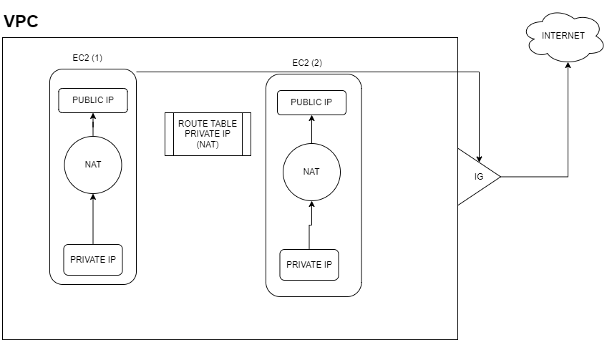
11 |  | Auto Scaling | •Automaticaly adjust the capacity to maintain the traffic providing by user
12 |  | Types of Scaling | •There are two types of scaling , Horizoantal Scaling and Vertical Scaling
13 |  | Horizonatal Scaling | •It refers to the adding additional machines to your infrastructure to cope the new demands.
14 |  | Vertical Scaling | •It refers to adding power to the existing machine •By Increasing CPU, performs and storage
15 |  | Route 53 | •Rote 53 is a service provided by aws •Its like a DNS services (Domaine Name Services) •It provides high relability and easily access to other networks •It integrates with other services easily
16 |  | Hosted Zone | •It is a container of records, contains information about how we want to route the traffic •It consists of two types , Public Hosted Zone and Private Hosted Zone •PUBLIC HOSTED ZONE - How you want to route the traffic through the internet(eg:avasoft.com) •PRIVATE HOSTED ZONE - How you want to route the traffic through the private VPC.(eg: avasoft/cabs /cloud)
17 |  | Security Group | •It acts as virtual firewall for ec2 machines. •Set of rules that can be used to monitor and filter the incoming and outgoing traffic
18 |  | Route Table | •A route table contains a set of rules, called routes, •It determine where network traffic from your subnet or gateway is directed.

S.NO | DATE | TOPIC | UNDERSTANDING
1 | 2022-09-10 | Cloud Front | •Its a services provided by aws •Its Nothing but Content Delivery Network •Used to reduce latency •Speeds up distribution of static and dynamic web content
2 | 2022-09-10 | CDN vs Edge | •Edge is just a trendy new term to refer to old Technologies like CDN •Processing- CDN stores cached data.Edge networks can both store and process data
3 | 2022-09-10 | AWS WAF | •Its a services provided by aws •It acts as a firewall to protect web applications or api against common web exploits
4 | 2022-09-10 | Pricing Calaculator | •Create an estimate for the cost of your use cases on AWS.
5 | 2022-09-10 | Elastic Load Balancer | •Automaticaly distributes your incoming traffic across multiple targets(EC2)
6 | 2022-09-10 | Elastic Load Balanceing VS Auto Scaling | •Both are AWS Services ,to reduce the worries of backend tasks •ELB- It distributes the traffic load evenly across available EC2 •It also mointers the health EC2 •Mointers health and routes to the healthy EC2 •AUTO SCALING - It increase the no.of available instance as per scaling policy •Auto scaling and ELB are all work in sink
7 | 2022-09-10 | EC2 | •Its a virtual machine that represents a physical server for us to deplo our application •Insted of purchasing your own hardware and connecting it be a network •First we want to purchase vpc network to connect EC2
8 | 2022-09-10 | Elastic beanstalk | •It's service for deploying and scaling web application. •Application developed with java,PHP,Node.js,Ruby,Go •It's a PASS services provided by aws
9 | 2022-09-10 | Elastic Beanstalk vs EC2 | •EC2 - is a service that allows you to create a server •You pay by the hour and only what you use •ELASTIC BEANSTACK - Is one layer of abstraction away from the EC2 •It's a enviromnet for we can create a n number of EC2 •All security and network are provided and managed by aws •It typicaly increase the cost, when we have a no of networks
10 | 2022-09-10 | Storage services AWS | •S3 •EBS •EFS
11 | 2022-09-10 | S3 | •A bucket is a container for objects stored in S3(Physical storage) •we can create 100 buckets in one account •We only store Static content in a S3 bucket •Provides Security and automaticaly copy data and version •Single S3 bucket has 5TB storage •We also gives policies for read and write permission •It can be setup by an IAM user •Storing large no.of numbers of user files and backups

S.NO | DATE | TOPIC | UNDERSTANDING
1 | 2022-09-12 | Amazon EBS | •Amazon Elastic Block Store •Required that data must be quicly accessible and requires long term persistence •Storage for particular EC2, can't access by other EC2's
2 | 2022-09-12 | S3 (Simple Storage Service) VS EBS | •Both are AWS storage Services •EBS - Specificaly meant for EC2(Elastic Computing Cloud) •It's not accessible unless mounted to new one •S3 -Not limited to EC2 •The files withiini S3 can be retrieved using HTTP protocols
3 | 2022-09-12 | Amazon EFS | •Elastic File Share •We can easily sharre files across all EC2 instance •Eg: Teams File Share •We can set limits, Who can view the file •The service manages all the file storage Infrastructure for you (IASS, PASS) •File system that can be shared across different EC2
4 | 2022-09-12 | EFS vs EBS | •Data stored in EBS remains in the same availability Zone •Data stored in EFS remains in the same availability Zone and Shared across the files
5 | 2022-09-12 | Lambda () | •Its a PASS services •It's a serverless compute services, which means we don't worry about servers •We can only upload code(Backend) •It's a cost effective method •We can connect other services easily
6 | 2022-09-12 | How Lambda Works | •S3 - is a source, Where the Frontend code is present •API or Trigger - It trigers the particular service in a lambda •LAMBDA - It get the request from api and returns the function of particulare Lambda
7 | 2022-09-12 | API Gateway | •Example of APi is Maps in Swiggy •API Gateway connnects client to server •It works as an URL •It acts as an intermediate between source (S3) and Lamada •Its also a services provided by AWS
8 | 2022-09-12 | Architecture off LAMDA | 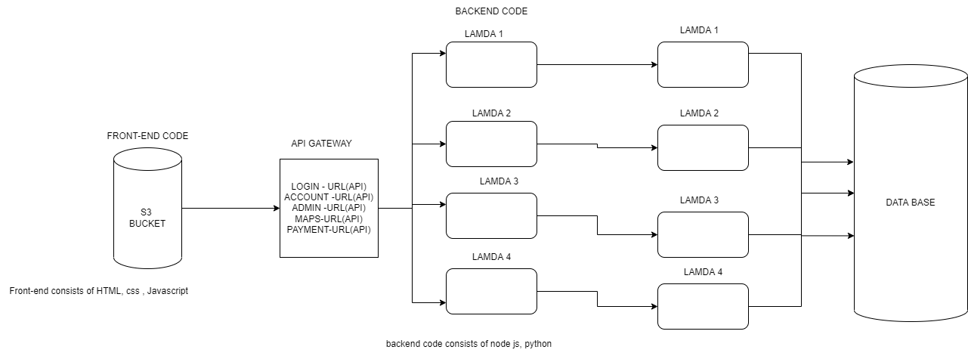

S.NO | DATE | TOPIC | UNDERSTANDING
1 | 2022-09-13 | Database | •Organized Collection of data stored and accessed easily through electronically
2 | 2022-09-13 | DBMS | •Database Management System •In order to manage, retrieve , store and maintain the data base, a system is required
3 | 2022-09-13 | SQL vs MYSQL | •SQL - Structured Query language •MYSQL - Relational Database System •Relational Database is a collection of information that related to one another
4 | 2022-09-13 | Amazon Aurora | •Its a PAAS services •Service provided by aws, fully managed by aws •It's a relational database •High performace and multi- AZ availability •Flexible and auto scaling •Config Key features : Security , automated backups, Choice of instance •Also integrates with other aws services easily
5 | 2022-09-13 | Amazon Dynamo DB | •It's a NO SQL Database •Its a PASS services •Service provided by aws, fully managed by aws •High performace and multi- AZ availability •Flexible and auto scaling •Config Key features : Security , automated backups, Choice of instance •Also integrates with other aws services easily
6 | 2022-09-13 | Difference between Aurora and Dynamo | •Aurora - supports several computer language. •Much advanced services that offers both simplicity and scalability •Supports SQL querey language •Dyanmo DB - Supports minimal computer language •Supports NO SQL querey Language
7 | 2022-09-13 | ECS | •Elastic Contanier Services •High scalable and fast container management service •It integrates with EKC and ECR
8 | 2022-09-13 | ECR | •Elastic Contanier Registry •All images are stored in in this container • All you need to do is specify the Amazon ECR repository in your task definition and Amazon ECS will retrieve the appropriate images for your applications.
9 | 2022-09-13 | EKS | •Elastic Kubernets Services •It Mointers and manages the the container •Automaticaly manages scaling and containers
10 | 2022-09-13 | Contanier | •Its a light weight environment •3 generation of VM •Configuration and dependicies are into an Single Object. •EG: Docker
11 | 2022-09-13 | Rest API vs HTTP API | • REST API has more features than http, REST API is mostly used in web application. • We can generate an API key for authorization.

S.NO | DATE | TOPIC | UNDERSTANDING
1 | 2022-09-14 | Azure | •Azure is a cloud Computing service •It was provided by Microsoft •It was launched in 2010 •It also supports IAAS, PAAS,SAAS services
2 | 2022-09-14 | Azure Fabric Controller | •Mointors and manages servers •Used for resourse collection & optimization •Mointers low level hardaware in servers
3 | 2022-09-14 | Orchestration | •Automating and managing large number of containers •How they interact is know as Orchestration.
4 | 2022-09-14 | Active Directory | •Active Directory is used to manage authentication and authorization •Main componet of AD is Active Directory Domain Services •A server running in ADDS is Domain Controller •Helps to manage permissions and access to the network
5 | 2022-09-14 | Azure AD | •It's a cloud based identity and access management service •It helps to access other exteral resources like office 365 and other SAAs application
6 | 2022-09-14 | Azure Hierarchy | •TENANT - It's the higher hierarchy,it's like an account •Every tenant has a Azure Active Directory •SUBSCRIPTION -An agreement with microsoft to use azure services, how we are going to pay for that. •Different subscription is need for different department in a same oragnization •So that is easy to moniter easy to mointer which department is use which services. •In order to create resource we need subscribtion. •RESOURCE GROUP- Collection of resources •RESOURCES - it's a services we use is called as resources.
7 | 2022-09-14 | Directory and Subscripition Permission | •There are two types of permission provided by azure •Directory permission- We give directory permission, they add user to directory •But they do not have permission to subcription •Subscription- access only in the subscription not in directory
8 | 2022-09-14 | AWS vs AZURE | •In aws we can allow access to all the example buckets •But in azure we can specifiy which bucket can we access is can be set •Not only for bucket, but also for other resources too •In aws we can host in a regioanl, but azure can host it in anywhere

S.NO | DATE | TOPIC | UNDERSTANDING
1 | 2022-09-15 | App Registration | •Programatic method to retrive data from AZURE ACTIVE DIERCOTORY •The creaditionals are given by code by the developers •It have Client ID and Client Secret like username like password. •It is a powerful way to configure authentication and authorization workflow •It has certain time limit (2 years)
2 | 2022-09-15 | Managed Identities | •Resource level authentication •There are two types of authentication, System assign and user assign •It automaticaly manage the identites •It is also a Programatic method
3 | 2022-09-15 | System assigned managed identities | •It createa an Managed Identites for an indiudival VM (Virtual Machine) •If particular VM is deleted , the Azure will automaticaly delete the instance
4 | 2022-09-15 | User assigned Managed Identites | •It create a Managed Identies for single individual VM •If particular VM is deleted the ID will also be deleted
5 | 2022-09-15 | Networking in AZURE | •In azure we have VNET service for networking •In azure network all have public IP's , we don't have private IP's.

S.NO | DATE | TOPIC | UNDERSTANDING
1 | 2022-09-16 | Route Table | •We define Source and destination path in the route table •It's a set of rules •It is also called User Defined Protocol •Allows firemall VM to handle both subnets and internet traffic
2 | 2022-09-16 | Hub and Spoke | •HUB- is the centralized machine, where we can deploy our core services •It helps to connect with the internet , in the private Azure network •It was configured by route tables •SPOKE - It's are the other VNets that are connected to the HUB
3 | 2022-09-16 | Network security Group | •It is also called as firewall •Allow and deny the Inbound and outbound rules •NSG must present in the VNets •Every VNet we create , NSG will automaticaly created •It's also act as a security layer •Helps to enforce the network traffic
4 | 2022-09-16 | Application Security Group | •It acts us in application layer (Layer 7) •It's on each instance in VM •It helps to enforce the application traffic
5 | 2022-09-16 | Private End Points | •By default, All the services in azure is Public •All tha PAAS services in azure are Public •If we want SQL DB PAAS as service as a private, we use private end points •It also an service provide by azure •It allows Clients on VNet securely access data over a private network
6 | 2022-09-16 | Service End point | •Service end point connects the public PAAS services to Private VNet services. •It provides secure to access the Public PAAS services in VNet •It enables private Ip address in the VNet to reach Public services •It acts like an NAT
7 | 2022-09-16 | Bastion | •Azure Bastion is like a jumpbox
8 | 2022-09-16 | RDP | •Remote Desktop Protocol •Windows only Protocol, alloes remote users to see and use windows on a device in another location
9 | 2022-09-16 | SSH | •Secure Shell Protocol •Helps to communicate and share data
10 | 2022-09-16 | VPN | •Virtual Private Network •Encryptes the data sent the to the user •It accours on layer4(Transportation Layer)
11 | 2022-09-16 | Point to Point VPN | •It create a tunnel between public Networks •It will create a secure connection to your Azure Virtual Network from an individual client computer. •The main difference is that if you log-off or restart the workstation, it loses connection, and you have to reconnect every time.
12 | 2022-09-16 | Site to Site VPN | •When we want to connect two networks and keep the communication up all the time
13 | 2022-09-16 | Azure Load Balancer | •Automaticaly distributes your incoming traffic across multiple targets(VM) •Network Load balancing - Routes the network traffic •Application Load balancing - Routes the request in an application
14 | 2022-09-16 | Azure NAT | •Azure Network Address Translation •Converts private Ip to public and public IP to private •It's a one way communication.
15 | 2022-09-16 | Application Gatway | •It also helps to load the traffic in web application •It's like also application load balancer
16 | 2022-09-16 | Proxy Server | •Acts as a Intermediate between user and server. •Hide our IP and provides new IP to the server. •Server does not know about user IP address,but proxy company have users ip address. •Ensures speed, saves website catch and stores in a proxy server.
17 | 2022-09-16 | Reverse Proxy | •It's behind the firewall in a private network and directs client requests to the appropriate backend server. •It add's an additional level of abstraction and control to ensure the smooth flow of network traffic between clients and servers.
18 | 2022-09-16 | Azure DNS | •Azure DNS is a service provided by aws •Its like a DNS services (Domaine Name Services) •It provides high relability and easily access to other networks •It integrates with other services easily
19 | 2022-09-16 | Azure CDN | •Its a services provided by Azure •Its Nothing but Content Delivery Network •Used to reduce latency •Speeds up distribution of static and dynamic web content

S.NO | DATE | TOPIC | UNDERSTANDING
1 | 2022-09-19 | Compute Services | •Compute services are also know as IAAS. •Provideing a computer resources for hosting , resources like hardware and software
2 | 2022-09-19 | 4 Primary Compute Services | •Azure VM •Azure Container Services •Azure Functions •Azure App Services
3 | 2022-09-19 | Azure VM | •It's a IAAS Services •Provides flexibility without having to buy and maintain physical Hardware
4 | 2022-09-19 | Azure Container Services | •It's also a IAAS services •Its a light weight environment •3 generation of VM •Configuration and dependicies are into an Single Object.
5 | 2022-09-19 | VM vs CONTANIER | •VM's virtualise underlying Hardware, So that multiple OS instances can run on the hardware •Container virtualise underlaying OS and share the Host OS to all the containers •Since containers shares the host OS, They do not need to boot an OS or Load Libraries
6 | 2022-09-19 | Azure Functions | •Its a PASS services •It's a serverless compute services, which means we don't worry about servers •We can only upload code(Backend) •It's a cost effective method •We can connect other services easily
7 | 2022-09-19 | Azure App services | •It's service for deploying and scaling web application. •Application developed with java,PHP,Node.js,Ruby,Go •It's a PASS services •Its mainly for hosting the application •All other requirements are taking care by azure
8 | 2022-09-19 | Batch Job | •Batch Job is a schedular •Createa and manages a pool of compute nodes and scheduler software to install manage or schedule the jobs to run
9 | 2022-09-19 | Azure Logic Apps | •Creating and running the automated workflow that integrates your app, data. service and systems •Also we can use as trigger •It's a Azure resources, create when you want to develop a workflow •It's mainly know as If- Else statement
10 | 2022-09-19 | Types of Data | •Structured Data •Semi- Strucutured Data •Unstrucutred data
11 | 2022-09-19 | Storage Services | •Azure Blob -It's a similiar storage like S3, for storing the static webpage content •Azure Files - It's a similiar storage like EFS , For sharing the files with connected VM's •Azure Disk - It's like a block storage in aws, Required that data must be quicly accessible and requires long term persistence •Azure Table - Used to store large amount of Structured data •Azure Data Lake Storage - is a hyper-scale repository that is optimized for big data analytics workloads •Azure Queue Storage - Stores msg securely, FIFO concepts, Queue message that can be stored in large no of messages
12 | 2022-09-19 | Azure DB | •Relational Database -SQL •No -Sql Database - Cosmo DB
13 | 2022-09-19 | Azure Monitering Services | •It helps to maximize the availability and performance of your application and server •It deliveres a component of Analyizing(metric explorer,log analytics) visuvalizing(workbooks,Dashboards) , Respond(Alerts and actions , autoscale) and Integrates(Event hub,logic apps, import&Export api's) •It consists of two main componets, Metrices and Logs(Application logs)
14 | 2022-09-19 | Cost Management | •Caluclate the price and manage the cost of the services
15 | 2022-09-19 | Cluster Management | •Manage the group of containers (AKS and EKS)
16 | 2022-09-19 | Azure VM scale Set | •For managing the Multiple VM

S.NO | DATE | TOPIC | UNDERSTANDING
1 | 2022-09-20 | Virtualization | •Virtualization is technology that lets you create useful IT services using resources that are traditionally bound to hardware. •It allows you to use a physical machine's full capacity by distributing its capabilities among many users or environments.
2 | 2022-09-20 | Contanierzation | •It is also a form of virutualization run in isolated user spaces containers •It shares the Host OS or Kernel OS to the connected containers
3 | 2022-09-20 | Virtualization vs Contanierzation | •Virtualization enables you to run multiple operating systems on the hardware •Containerzation enables you to deploy multiple application using the same OS
4 | 2022-09-20 | Docker | •Docker Is a software tool enables developers to pacakage application into containers •It's an Open source containerzation platform •It runs up the Container
5 | 2022-09-20 | Architecture of Docker | 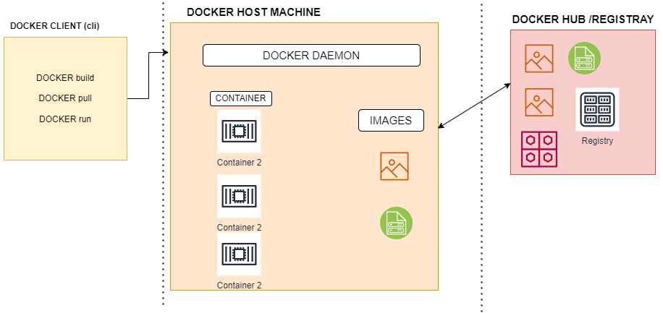
 |  | Docker Image | •It is a package of executable files that contains all of the code, libraries, runtime, binaries and configuration files necessary to run an application. •A container can be described as the runtime instance of an image.
6 | 2022-09-20 | Docker Client | •It's nothing but an Command Line interface(CLI) •It's maily used for interacting with Docker daemon •We use commands for interacting •we can use docker api and can communicate more than one daemon at a time
7 | 2022-09-20 | Docker Daemon | •Docker Daemon manages the containers and images registray •It listens the docker API and connects with the other daemons
8 | 2022-09-20 | Docker Hub or Registry | •It's a Storage and distribution of Docker Image •Same image have multiple versions •Docker repositories hold all the versions of a specific images
9 | 2022-09-20 | Docker Tagging | •It's nothing but an version controller •It has the multiple version of the same images •We can retrive the previous version of the images
10 | 2022-09-20 | Docker File | •It's a document that contains all the commands •A user could call on the command line to assemble an image. •The first line of the code contain the OS- which contain the base image from. •It is used to run up the container.

S.NO | DATE | TOPIC | UNDERSTANDING
1 | 2022-09-21 | Docker Storage or Volumes | •Docker Storage is used to store the image layers and store datain the writable layer of container. •Docker storage was three types •Host Volume •Anonymous Volume •Named Volume •All docker volumes are stored in /var/lib/docker/volumes
2 | 2022-09-21 | Stateless Application | •The process is something doesn't save information about previous operation •It doesn't need any storage volume •Eg: Static webpages doesn't need any storage volume to process the data
3 | 2022-09-21 | Statefull Application | •It remebers the specific details of user like profile, preference and user action •It needs volume to store the data •Backend webpages need specifci data can be stored in DB
4 | 2022-09-21 | Stateless vs Statefull | •stateless applications don't “store” data •stateful applications require backing storage.
5 | 2022-09-21 | Host Volume | •It can be accessed within a docker container and stored in the host •It uses the host machine storage •All datas are stored in local host machine, for backup purpose also •To create Docker host volume - docker run -v /path/on/host:/path/in/container
6 | 2022-09-21 | Anonymous Volume | •It stores the data anonymously by the docker •To create Anonymous Volumes - docker run -v /path/in/container ...
7 | 2022-09-21 | Named Volume | •It will take any directory, but it has name •It also similiar with anonymous volume but it has name •It is very usefull when we call multiple container has same services, we can easily call the data by his name. •To create named Volumes -docker volume create somevolumename docker run -v name:/path/in/container ...
8 | 2022-09-21 | Docker Compose | •Used to up the many containers at a single instance •Group of docker files can be written in one file is called as Docker compose •It is a tool that was devloped to help define and share the multiple container.

S.NO | DATE | TOPIC | UNDERSTANDING
1 | 2022-09-22 | Docker Networking | •It allows you to attach a container to as many networks
2 | 2022-09-22 | Types Of networking in docker | •Bridge Networking •Host Networking •Overlay Networking
3 | 2022-09-22 | Bridge Networking | •Bridge network can divide an LAN into multiple segment •It works in data link layer •It can be neither software or hardware device running in host machines kernal •It has all mac address of connected devices •The default network in docker was Bridge network created br daemon
4 | 2022-09-22 | Default Bridge | •When docker is started , a default bridge network is created automaticaly •Newly started containers connect it unless otherwise specified •It straightly connect with the Router without the help of the host machine
5 | 2022-09-22 | User Defined Bridge | •To isolated the specific group of containers we use User defined network •If we don't need a default bridge network, we can use the User defined network •Containers are attached to this network can only access
6 | 2022-09-22 | Host Network | •It is a public network •It uses the default ports of the Host machines •Application inside the container can be accessed using a port at the host's IP address(eg:80container port :8080(Host port)) •Services running inside the container could potentially conflict with other services in other containers which run on the same port.
7 | 2022-09-22 | Overlay Network | •It communicates between the other containers from other networks •It connects the separate host machines containers •For their dependicies
8 | 2022-09-22 | Docker Swarm | •It is a container Orchestration tool •Meaning it manages the multiple containers in a multiple host machines •It was similar to load balancing •It is a pull based configuration •It consists of master node leader node and worker node •It works on overlaying network
9 | 2022-09-22 | Worker node | •Each worker node functions by receiving and executing the task given by manageing node •All the worker nodes are connected by managing nodes
10 | 2022-09-22 | Manager node | •It assigns task to worker node •Multiple number of master nodes are present for the backup scenoriea •Swarm recommends maximum of seven manger nodes •It has only task assigns don't have write permission
11 | 2022-09-22 | Leader Node | •Raft algorithm is used to assing the leader node •It makes and write the tasks to all the worker nodes •It manages the manger node •A leader node becomes unavailable , a new leader can be elected by raft alogirthm
12 | 2022-09-22 | Services and Tasks | •Global Services : To schedule a one task to each avaiable node •Replicated Services : To schedule a how many number of tasks to each available nodes
13 | 2022-09-22 | VM networking | 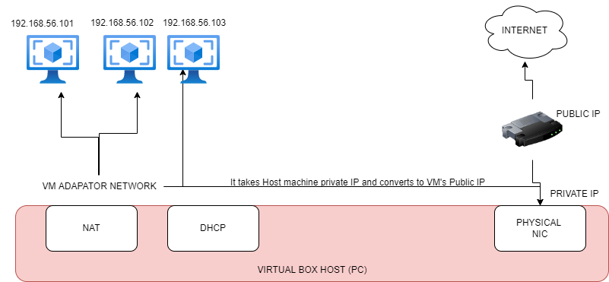
14 | 2022-09-22 | Bridge Networking | 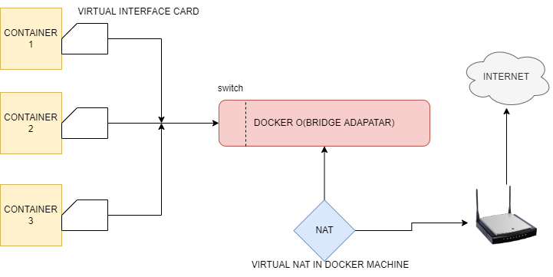

S.NO | DATE | TOPIC | UNDERSTANDING
1 | 2022-09-23 | Kubernetes | •It is an Open source Orchestration tool •It was devloped by Google •It helps to manage the containerized application in different environments •In azure AKS and in AWS is EKS •Helps to deploy and manage the containers in automated
2 | 2022-09-23 | Kubernetes vs Docker Swarm | •Docker Swarm is fully manual work done by the users •Kubernetes is fully automated and it is used for complex application
3 | 2022-09-23 | Architecture of Kubernetes | 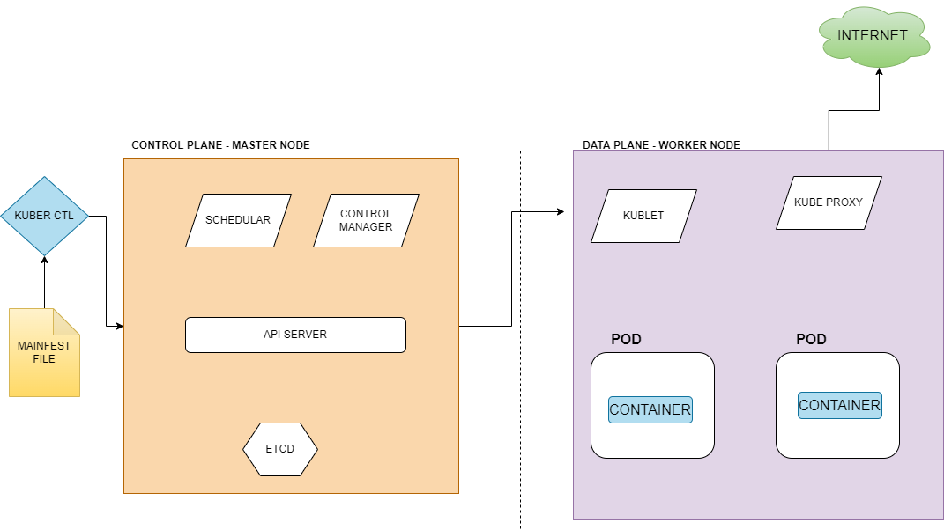
4 | 2022-09-23 | Mainfest File | •A mainfest specifies the desired state of an object that K8 will maintain when we apply •It written in YAML or JSON format •In that file we give the tasks are service which want to be performed •Example: We want to up the 3 contaniers, we written in mainfest file that will executes by K8
5 | 2022-09-23 | Kuber CTL | •It's nothing but an Command Line Interface (CLI) •It helps us to communicate with the Control plane or Master node •We use commands for interacting •It uses Kubernets API for interacting
6 | 2022-09-23 | API Server | •It get's a request from the Mainfest file and valid the request and process it •It is an interface used to manage create and config kubernets •It is used for the users to communicate with the master node
7 | 2022-09-23 | Schedular | •It checks the health and storage of the all the working node •And assigns the given task to the worker node •It determines which node(VM or EC2) is available for this particular Pod
8 | 2022-09-23 | Control Manager | •It controls and manages the desired state and the actual state •It keeps check on the every pod that was created •For example: In mainfest file we schedule the task to create a 3 container •Schedular creates the container •For some reasons the 3 container is failed, Control manager mointers and create a new task to assign the task to schedular to crate a new container
9 | 2022-09-23 | Pod | •Pod is a abstruction layer of container •In that pod we want to create containers, for best practice one container is created •Kubernets supports different container engine supports •Pod represetns single instance running in Worker node
10 | 2022-09-23 | Etcd | •It stores the log •The complete log will be stored from the starting to ending •It is used to find defects easily
11 | 2022-09-23 | Kublet | •It is the primary node agent present in every worker node •Only way to communicate with master node •It communicates with the api server
12 | 2022-09-23 | Containers | •Its a light weight environment •Configuration and dependicies are into an Single Object.
13 | 2022-09-23 | Kube Proxy | •It help us to communicate with the Internet •It runs on each node
14 | 2022-09-23 | Kubernetes Services | •Helps to communicate •Node Port •Cluster IP •Load Balancer •Ingress
15 | 2022-09-23 | Node Port | •It is an open port on every node of your cluster •transparently routes incoming traffic on the NodePort to your service, even if your application is running on a different node.
16 | 2022-09-23 | Cluster IP | •Default service in K8 •Communicates the POD within an network •Communicate within the POD
17 | 2022-09-23 | Load Balancer | •Route the traffic •load balancer is associated with a specific IP address and routes external traffic to a Kubernetes service in your cluster.
 |  | Ingress vs Load Balancer | • Ingresses are native objects inside the cluster that can route to multiple services, while • load balancers are external to the cluster and only route to a single service.
18 | 2022-09-23 | Ingress | •Main service in K8 •High level abstruction of load balancing layer • Ingress is an object that allows access to your Kubernetes services from outside the Kubernetes cluster. • Ingress will have a public IP using that client can access our application over internet
19 | 2022-09-23 | Namespace | •Isolate the container and pods •It seperates the container and pods using the Name
20 | 2022-09-23 | Config map | •It is used to store enviromment varaibles •A ConfigMap is an API object used to store non-confidential data in key-value pairs. •ConfigMap does not provide secrecy or encryption. •Config map will have the envirnoment variables like port numbers, these are inbuild key vault in kubernetes. • Secret key is used to key credentials, the data inside the secret is encrypted.
21 | 2022-09-23 | Config map secret | •It produce the security to config maps

S.NO | DATE | TOPIC | UNDERSTANDING
1 | 2022-09-26 | SDLC | •Software Development life Cycle •It is a methodology with clearly defined process for creating high quality software •It has 6 Important phases ♦Requirement Analysis ♦ Design ♦Development ♦Testing ♦Deployment ♦Maintanence
2 | 2022-09-26 | Methods Of SDLC | •Waterfall model •Agile Model •Spiral Model
3 | 2022-09-26 | Waterfall Model | •Waterfall model is a traditional method used in SDLC •This model is divided into different phases and the output of one phase is used as the input of the next phase. •Every phase has to be completed before the next phase starts and there is no overlapping of the phases. •This is a step by step procedure , there is no interaction between the client and the development team
4 | 2022-09-26 | Agile Model | •This is a way to manage a project by breaking down into several phases •This provides flexiability and continously involuving the customers •Continuous collaboration is needed with both with team members and project stakeholders.
5 | 2022-09-26 | DevOps | • DevOps is Development and Operations is a practice to reduce the conflicts between development team and operation team. • DevOps is the combination of cultural philosophies, practices, and tools that increases an organization's ability to deliver applications and services at high velocity.
6 | 2022-09-26 | DevOps Tools | •Plan- Jira •Code- Git •Build - Sbt,Maveen •Test - Selenium (Automated Testing Tool) •Release •Deploy - AWS, Azure , Cloud •Operate - Docker , Kubernetes ,Ansible •Moniter - Moniter the kuberneteies (Nagios)
7 | 2022-09-26 | Version Controller | •Tracking the changes in whole application • It allows to software teams to track the changes to the code • while enhancing communication and collaboration between team members
8 | 2022-09-26 | Git | • Git is a version control system for tracking changes in computer files and co-ordinating work on those files among multiple people. • It is primarily used for source code management in software development, but it can be used to keep track of changes in any set of files.
9 | 2022-09-26 | Source code management | • It is tracking and managing changes to code. This ensures that developers are always working on the right version of the source code. • Every development team needs a good way to manage changes and version code in their codebase.

S.NO | DATE | TOPIC | UNDERSTANDING
1 | 2022-09-27 | Roles in Gitlab | • Owner: Remove projects, Add team members, create new branches and merge requests. • Maintainer: Add new members, Edit project, Approve merge requests • Developer: Create new branches, new merge requests • Reporter: View project code, pull and download project code. • Guests: Read-only permission, read files in Gitlab.
2 | 2022-09-27 | Roles in Git Hub | • Read: Recommended for non-code contributors who want to view or discuss your project. • Triage: Recommended for contributors who need to proactively manage issues and pull requests without access. • Write: Recommended for project managers who actively push to your project. • Maintain: Recommended for project managers who need to manage the repository without access to sensitive or destructive actions. • Admin: Recommended for people wh need full access to the project, including sensitive and destructive actions like managing security or deleting a repository.
3 | 2022-09-27 | Features of SCM tools | • Pull: To get something from a repository. • Push: To send something to the repository. • Merge: To merge one branch to another branch • Interchange code between branches in Source Code Management.
4 | 2022-09-27 | Feature Branching Strategy | • Every developer will have separate branches to develop their feature and then merge into the collaborative branch which may be Dev or any other branches. • Application modernization serverless, containerization, application with multiple features.
5 | 2022-09-27 | Release Branching Strategy | • Release Branching Strategy id tagging the working code of the application and versioning the code. • If there is any hotfix happening in the production envirnoment, we can go with the latest release by using tag.
6 | 2022-09-27 | Envirnoment-Based Branching Strategy | • Each and every branch listens to the particular envirnoment. • When we need to perform testing in every envirnoment and the code coverage is different for all the envirnoments then we can go for an envirnoment based strategy.
7 | 2022-09-27 | Merge Conflict | • A merge conflict is when a merge can't be performed cleanly between two versions of the same file. • When all the changes in the code occur on different lines or in different files, Git will successfully merge commits without your help. • When there are conflicting changes on the same lines, it occurs because Git doesn't know which code to keep and which to discard.
8 | 2022-09-27 | Architecture of Branching | 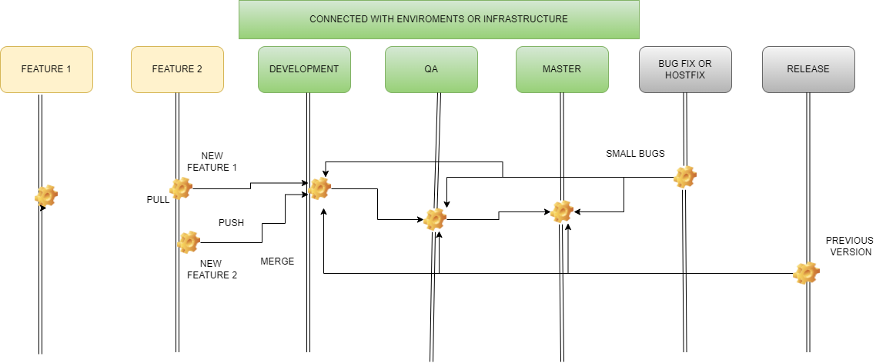

S.NO | DATE | TOPIC | UNDERSTANDING
1 | 2022-09-27 | Merge Conflict | • A merge conflict is when a merge can't be performed cleanly between two versions of the same file. • When all the changes in the code occur on different lines or in different files, Git will successfully merge commits without your help. • When there are conflicting changes on the same lines, it occurs because Git doesn't know which code to keep and which to discard.
2 | 2022-09-28 | Merge Conflict Resolve | •Cherry-Pick - Particular changes or commit is needed to be transfered to the other branches •Rebase - Set of commits (That are feature commits is more than the development) release to development branch
3 | 2022-09-28 | DevOps Tools | •DevOps is a collaboration between development and IT operation to make software production and deployment in automated repeatable way
4 | 2022-09-28 | CICD | • CI/CD is a method to frequently deliver apps to customers by introducing automation into the stages of app development. • The main concepts attributed to CI/CD are continuous integration, continuous delivery, and continuous deployment.
5 | 2022-09-28 | Approval Policies | • The user requesting a release or deployment should not approve it. • Revalidate identity of approver before completing the approval. • Skip approval if the same approver approved the previous stage.
6 | 2022-09-28 | Benefits of CI/CD | • Faster, Easier bug detection • Greater visibility • Faster feedback • Reduced cost
7 | 2022-09-28 | Continous Delivery | •Code that are ready to be deployment(Release Phase) Is know as Continous Delivery
8 | 2022-09-28 | Workflow of CICD
9 | 2022-09-28 | Git Runner | • Git Runner is a server to run a pipeline. • We can also buy a dedicted runners for better performance.
10 | 2022-09-28 | Pipeline | •A DevOps pipeline is a set of automated processes and tools •That allows developers and operations professionals to collaborate on building and deploying code to a production environment.

